Sheet1
Test case no. |  | Test case description | Result | screenshot
 | TC 1 | sign in or log in using email and password | pass | 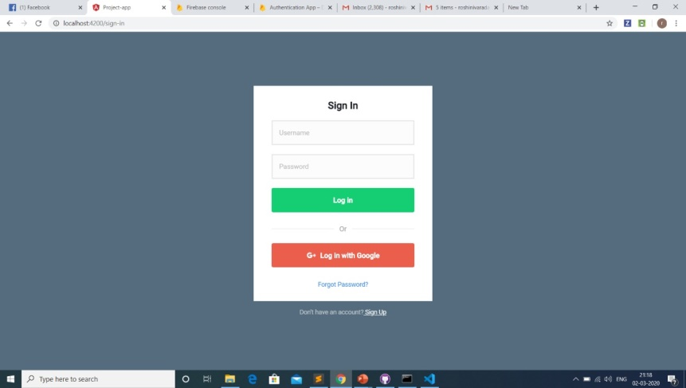
 | TC2 | reset password when forgot password | pass | 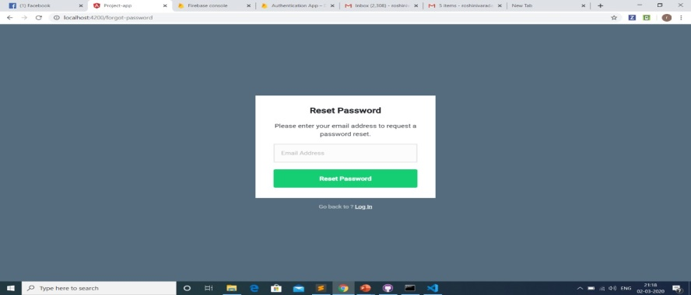
 | TC3 | sign up using mail id and password | pass | 
 | TC4 | error when given wrong credentials | pass | 
 | TC5 | sign in using google+ | pass | 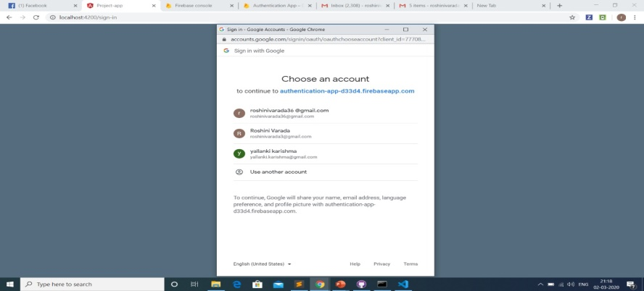
 | TC6 | error while signing through unauthorized user | pass | 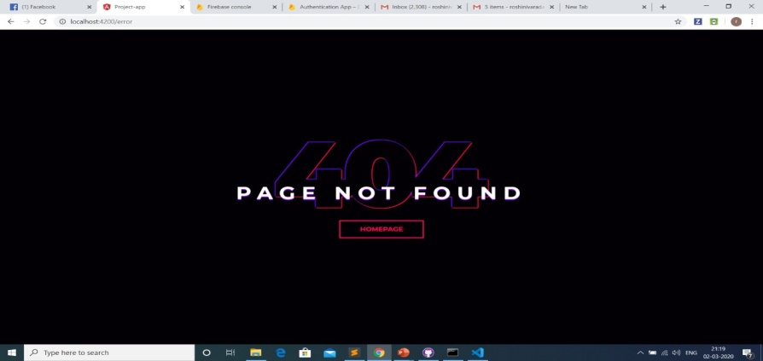
 | TC7 | editing user profile | pass | 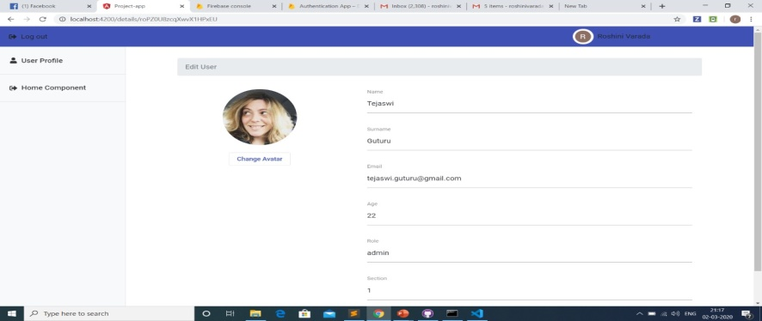
 | TC8 | selecting user from search bar | pass | 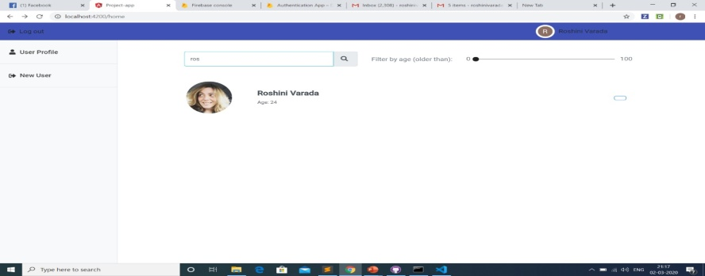
 | TC9 | selecting user based on age from age bar | pass | 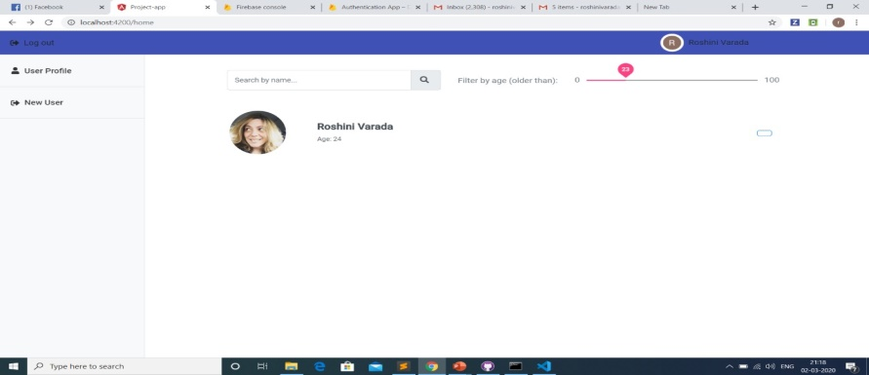
 | TC10 | sorting users into different sections | pass | 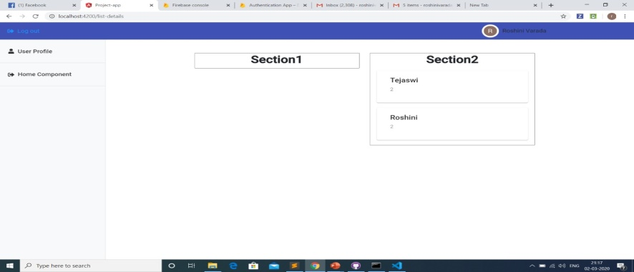
 | TC11 | creating users | pass | 